Bugs Sheet
Bug Document
Assigne : FE and BE developer
No | Title | Environment | Pre-condition | Step to Reproduce | Expected Result | Actual Result | Severity | Priority | Result | Note
1 | User able to check-out when the quantity change to 0 | Development/Staging | User already put the item on cart | 1. User click the product id 2. User click the add to cart button 3. User change qty to 0 4. User proceed without update the cart | System will show popup confirmation when user update the shopping cart qty | User able to submeit different qty without update the cart but still first qty that will make a payment | low | high |  | This must be improve because sometime we have customer that not aware about the system, let say they want buy 1 item but in the middle of transaction they change their mind and update the qty to 10 items, there is no guidence to user or popup so user can proceed the transaction but the system still identifying as 1 item due user not click update cart
2 | User able to proceed the false stock of product | Development/Staging | User already put the item on cart | 1. User click the product id that no qty or empty stock 2. User click the add to cart button 3. User proceed without update the cart | System will notify customer if the qty is empty or out of stock | User able to proceed the item that false or empty | high | 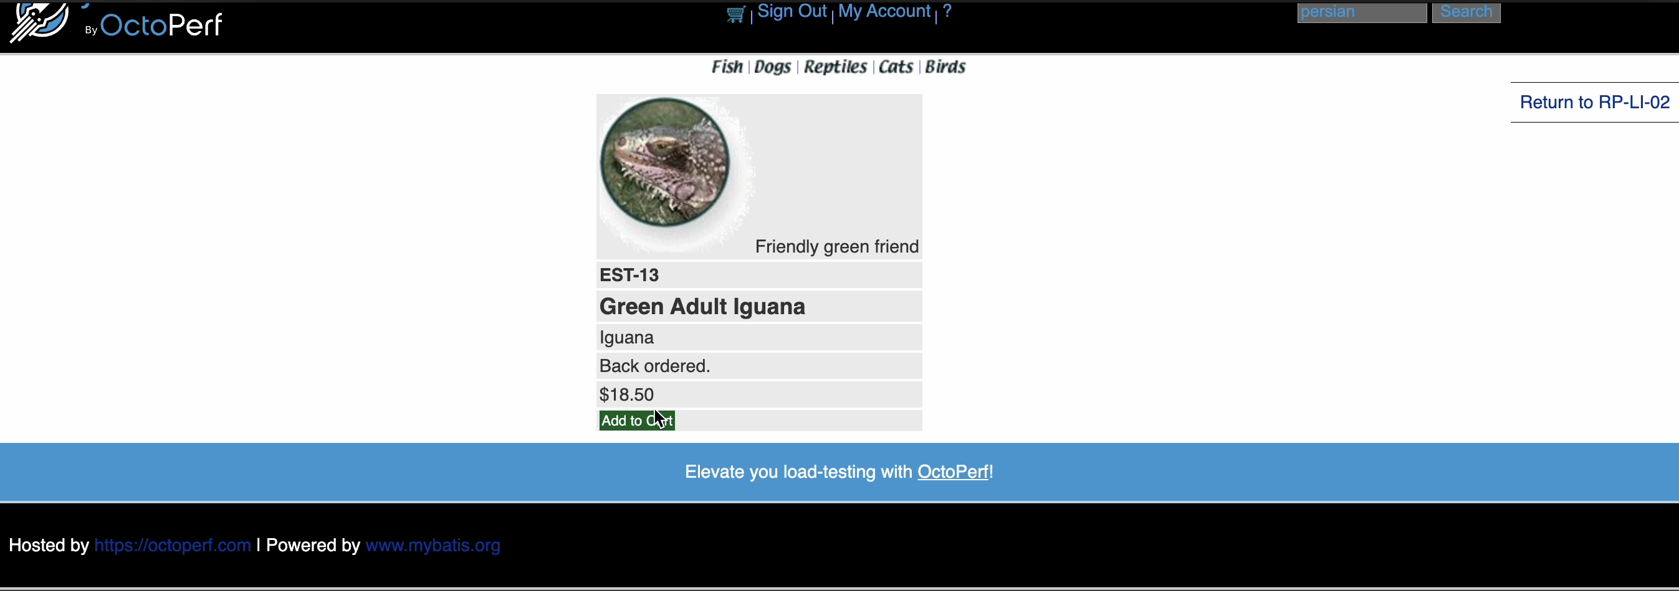 high | 
3 | User able to fill the visa number with string | Development/Staging | User want to make a payment | 1. User click the product id 2. User click the add to cart button 3. User proceed to checkout 4. User fill card number with string instead of number | System will show error message "Only number allowd" | User able fill free text on card number field and continue payment | high | high | 